Evac & Fill
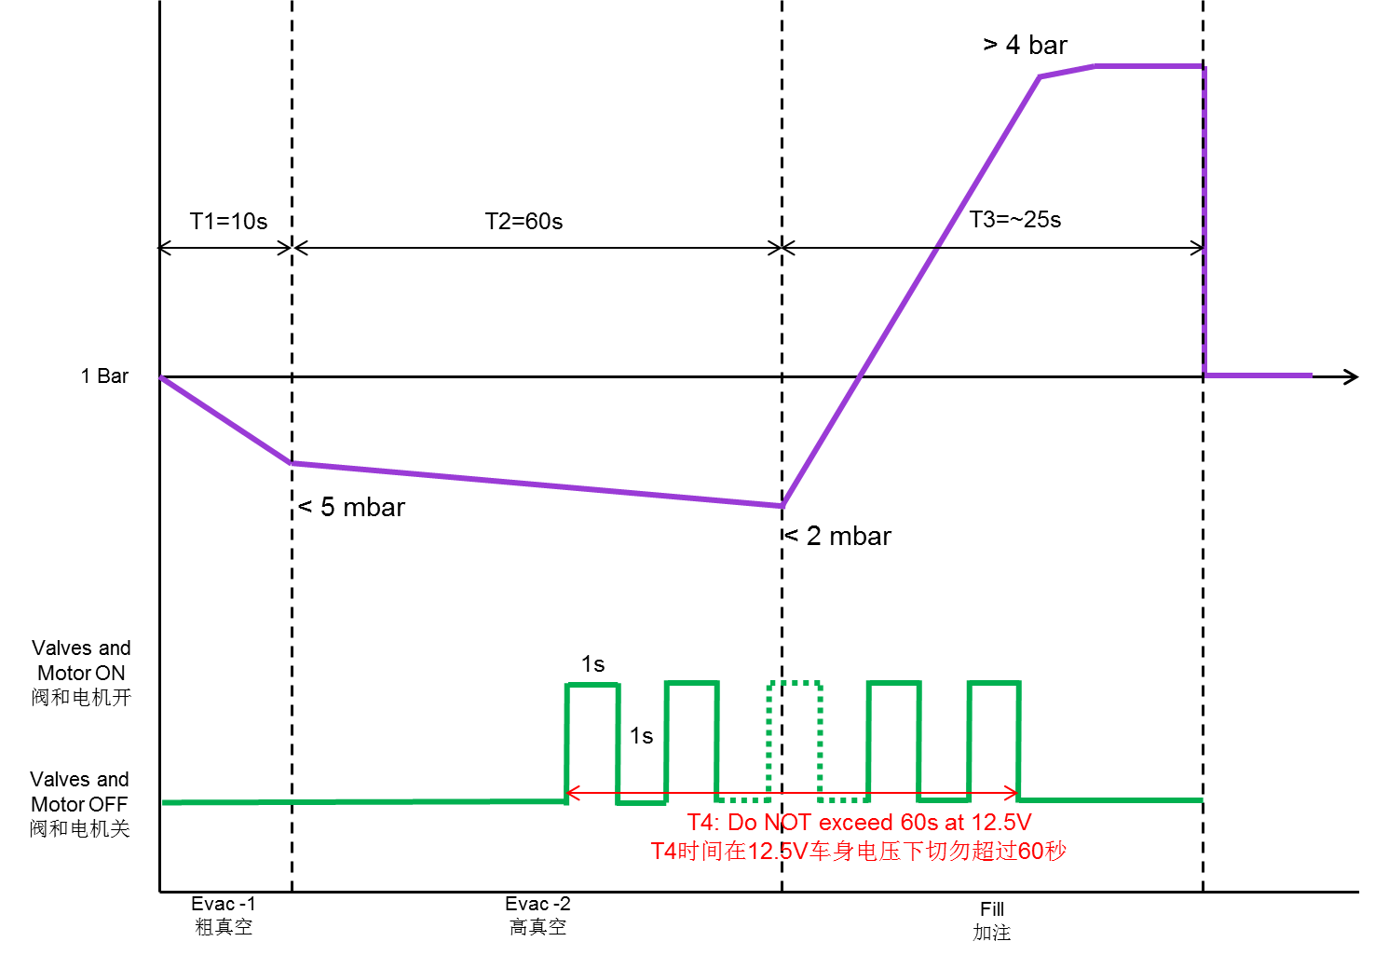

Step | Description | Message Description | Request message Equipment -> ECU | Response message ECU -> Equipment
1 | Verify IRBC and SHA part numbers to ensure correct installation. | Read IRBC Part Number | 03 22 F1 CB 00 00 00 00 | 08 62 F1 CB xx xx xx xx
 |  | Read SHA Part Number | 03 22 F1 13 00 00 00 00 | xx 62 F1 13 xx xx xx xx
2 | Once the vacuum level in the brake system stabilizes at < 5 mbar, the process equipment send messages to the IRBC that results in alternately turning on and off SHA release valves, prime valves, and pump motor with 1s interval ***Note 1 | Extended Diagnostic Session | 02 10 03 00 00 00 00 00 | 06 50 03 00 32 01 F4 00
 |  | Tester Present (Periodic @ 2s rate) | 02 3E 00 00 00 00 00 00 | 02 7E 00 00 00 00 00 00
 |  | turning ON SHA release valves, prime valves, and pump motor | 07 2F 31 07 03 AA C3 00 | 07 6F 31 07 03 AA C3 00
 |  |  | (after 1 seconds) | (after 1 seconds)
 |  | turning OFF SHA release valves, prime valves, and pump motor | 04 2F 31 07 00 00 00 00 | 04 6F 31 07 00 00 00 00
 |  |  | (after 1 seconds) | (after 1 seconds)
 |  |  | … | …
 |  |  | … | …
3 | Brake fluid is filled into brake system with minimum fill pressure > 4 bar, while the maximum fill pressure is limited by the pressure capability of the master cylinder reservoir. ***Note 2 | All off | 04 2F 31 07 00 00 00 00 | 04 6F 31 07 00 00 00 00
4 | write Evac & Fill status | Request seed | 02 27 01 00 00 00 00 00 | 06 67 01 xx xx xx xx 00
 |  | sende key | 06 27 02 yy yy yy yy 00 | 02 67 02 00 00 00 00 00
 |  | write Evac & Fill status DID | 04 2E 2D 04 XX 00 00 00 ***Note 3 | 02 6E 2D 04 00 00 00 00
5 | End of Extended diagnostic session | Enter Default Session | 02 10 01 00 00 00 00 00 | 06 50 01 00 32 01 F4 00

Note | 1. Duration for valves and pump motor alternate on and off shall not exceed 60s with vehicle battery at 12.5V through the entire evacuation and fill.
 | 2. Discussion is required to properly define this timing
 | 3. 0x00: End-of-line test not completed
 | 0xAA: End-of-line test completed and ok
 | 0xEE: End-of-line test completed and not ok

